Brand Modules
Brand — 56 tickets

Issue Key | Type | Summary | Area | Caboodle Module | FE/BE | Priority | Status | Assignee | Reporter | Created | Updated | Due / Note
▸ Product Specs (8)
CS-478 | Bug | Product Specs Price List | Price Change is not flowing thru Trade Spend for promos after date change | Brand | Product Specs | Unspec | Highest | Reopened | Bijoy Chandra Nath | Constance Wolfe | 4/25/2024 | 7/9/2024
CS-1077 | Task | Product Specs Add Product Change Order & Names of Fields | Brand | Product Specs | Unspec | High | Backlog | Md Mashiul Azam Chowdhury | Constance Wolfe | 7/22/2025 | 7/22/2025 | Q2
CS-1386 |  | Product Specs | Reorganize Tabs to this order: Categories > Products > Pricing | Brand | Product Specs | Unspec | High | Backlog | Md Mashiul Azam Chowdhury Efti | Constance Wolfe | 5/11/2026 | 5/11/2026 | Complete
CS-1400 |  | Product Specs | Updating Spec UPC Code causing Error | Brand | Product Specs | Unspec | High | Backlog | Md Mashiul Azam Chowdhury Efti | Constance Wolfe | 5/13/2026 | 5/13/2026
CS-617 | Sub-task | [BE] Manufacture Discontinue | MFR Disco Status | Brand | Product Specs | BE | High | In Progress | Bijoy Chandra Nath | Md Mashiul Azam Chowdhury | 9/26/2024 | 1/7/2025 | Provide update
CS-280 | Task | [BE] Product Specs Add a text box for Shelf Life and another for Attributes. Doesn't need to be in the file upload | Brand | Product Specs | BE | Medium | Backlog | Bijoy Chandra Nath | Md Mashiul Azam Chowdhury | 1/1/2024 | 1/1/2024 | Don't Do
CS-376 | Task | Product Specs - Add Chck Box for Manufacturer Discontinued | Brand | Product Specs | Unspec | Medium | Backlog | Md Mashiul Azam Chowdhury | Constance Wolfe | 2/10/2024 | 4/27/2025 | Complete?
CS-1112 | Task | product category change causes pricing to show "pricing not set" | Brand | Product Specs | Unspec | Low | Reopened | Bijoy Chandra Nath | Fariha Jabin | 8/14/2025 | 11/6/2025
▸ Distributors (1)
CS-1225 | Task | CRM > Distributor > Unlink Banner > Remove restriction that it's tied up in a Promotion | Brand | Distributors | Unspec | Highest | In Progress | Bijoy Chandra Nath | Constance Wolfe | 11/8/2025 | 11/11/2025 | Provide Update
▸ Retailers (3)
CS-1211 | Task | [BE] CRM - Retailers> Banner Activities Newest Dates at the top of the list | Brand | Retailers | BE | Highest | In Staging | Bijoy Chandra Nath | Bijoy Chandra Nath | 11/4/2025 | 11/5/2025 | Provide Update
CS-1199 | Bug | CRM> Retailers>Promo $Rules> Upload option doesn't work> Other Notes in Description | Brand | Retailers | Unspec | Medium | Backlog | Md Mashiul Azam Chowdhury | Constance Wolfe | 10/23/2025 | 11/10/2025 | Q2
CS-992 | Sub-task | [BE] Retailer details page - Category search returning irrelevant results | Brand | Retailers | BE | Low | In Progress | Bijoy Chandra Nath | Fariha Jabin | 6/4/2025 | 9/25/2025 | Provide update
▸ Contacts (1)
CS-1369 |  | CRM Contacts | Include title with the name | Brand | Contacts | Unspec | Medium | Backlog | Md Mashiul Azam Chowdhury Efti | Constance Wolfe | 5/2/2026 | 5/2/2026
▸ Pipeline (5)
CS-1118 | Bug | CRM>Pipeline>Back Button Issue | Brand | Pipeline | Unspec | High | Backlog | Md Mashiul Azam Chowdhury | Constance Wolfe | 8/19/2025 | 11/10/2025 | Q2
CS-1348 |  | CRM | Pipeline - Formatting Issue - Items cut off | Brand | Pipeline | Unspec | High | Backlog | Md Mashiul Azam Chowdhury Efti | Constance Wolfe | 4/21/2026 | 4/21/2026
CS-1349 |  | CRM Pipeline | Enhance Editing Widget | Brand | Pipeline | Unspec | High | Backlog | Md Mashiul Azam Chowdhury Efti | Constance Wolfe | 4/21/2026 | 4/21/2026
CS-1150 | Task | CRM | Pipeline - Need Undo option in task edit | Brand | Pipeline | Unspec | Medium | Backlog | Md Mashiul Azam Chowdhury | Constance Wolfe | 8/29/2025 | 9/25/2025 | Q2
CS-1425 | Task | CRM>Pipeline > Change Plan to Project > Hide/Archive Option > See Details | Brand | CRM Pipeline |  | High | Backlog | Md Mashiul Azam Chowdhury Efti | Constance Wolfe | 2026-06-27 02:07:00 | 2026-06-27 02:07:00
CS-1059 | Task | crm module  delete option missing in all modules except banner | Brand | Pipeline | Unspec | Low | Backlog | Md Mashiul Azam Chowdhury | Fariha Jabin | 7/7/2025 | 7/7/2025 | ??
▸ Trade Spend Sandbox (37)
CS-1209 | Bug | TSS> Add A Sku to Existing Issues | Brand | Trade Spend Sandbox | Unspec | Highest | In Staging | Md Mashiul Azam Chowdhury | Constance Wolfe | 11/1/2025 | 12/22/2025 | Provide Update
CS-1212 | Bug | TSS> Add EDLP to Existing Promotion > 2nd Pop Up Box only displays 1 Product | Brand | Trade Spend Sandbox | Unspec | Highest | Ready for Production | Md Mashiul Azam Chowdhury | Constance Wolfe | 11/5/2025 | 12/22/2025 | Provide Update
CS-1240 | Task | Trade Spend Calculations | Brand | Trade Spend Sandbox | Unspec | Highest | Backlog | Bijoy Chandra Nath | Constance Wolfe | 12/11/2025 | 12/11/2025 | Complete?
CS-1254 | Bug | [BE] Trade Spend Sandbox - New & Discontinued Items Not Calculating according to Add & Disco. Date | Brand | Trade Spend Sandbox | BE | Highest | In Staging | Bijoy Chandra Nath | Constance Wolfe | 1/9/2026 | 1/20/2026
CS-725 | Story | Trade Spend Promotion Module | Brand | Trade Spend Sandbox | Unspec | Highest | Backlog | Md Mashiul Azam Chowdhury | Bijoy Chandra Nath | 3/12/2025 | 3/12/2025 | ??
CS-1022 | Bug | Trade Spend Sandbox | Step 2 Category Issues | Brand | Trade Spend Sandbox | Unspec | High | Reopened | Md Mashiul Azam Chowdhury | Constance Wolfe | 6/21/2025 | 11/10/2025
CS-1090 | Task | Editing and Pushing from Trade spend sandbox will update corresponding Promo Planning | Brand | Trade Spend Sandbox | Unspec | High | Backlog | Md Mashiul Azam Chowdhury | Md Mashiul Azam Chowdhury | 8/6/2025 | 8/6/2025 | Complete?
CS-1092 | Sub-task | [FE] Editing and Pushing from Trade spend sandbox will update corresponding Promo Planning | Brand | Trade Spend Sandbox | FE | High | Backlog | Md Mashiul Azam Chowdhury | Md Mashiul Azam Chowdhury | 8/6/2025 | 8/6/2025 | Fixed?
CS-1095 | Bug | [FE] Slight Glitch after editing a promo event | Brand | Trade Spend Sandbox | FE | High | Backlog | Md Mashiul Azam Chowdhury | Md Mashiul Azam Chowdhury | 8/8/2025 | 10/20/2025 | Complete?
CS-1174 | Task | Trade Spend | Sandbox and Approved Have back button from results page take user to same year | Brand | Trade Spend Sandbox | Unspec | High | Backlog | Md Mashiul Azam Chowdhury | Constance Wolfe | 9/20/2025 | 9/25/2025 | Complete?
CS-1177 | Bug | The "Everyday Allowance" field does not retain entered data when navigating back from later steps. | Brand | Trade Spend Sandbox | Unspec | High | Ready for Production | Md Mashiul Azam Chowdhury | Fariha Jabin | 9/22/2025 | 11/18/2025 | Provide update
CS-1185 | Bug | TSS | Create an EDLP Promotion Only Creates Error | Brand | Trade Spend Sandbox | Unspec | High | Backlog | Md Mashiul Azam Chowdhury | Constance Wolfe | 10/1/2025 | 11/10/2025 | Fixed?
CS-1186 | Bug | TSS | Duplicating a Promotion Issue- Comments are not included in the copy | Brand | Trade Spend Sandbox | Unspec | High | Ready for Production | Bijoy Chandra Nath | Constance Wolfe | 10/2/2025 | 11/10/2025 | Provide Update
CS-1187 | Bug | Trade Spend Sandbox | Ad Fees Step 4 Issue| If multiple events are selected the Ad Fee is split among all items in all events | Brand | Trade Spend Sandbox | Unspec | High | Backlog | Md Mashiul Azam Chowdhury | Constance Wolfe | 10/4/2025 | 11/10/2025 | Q1
CS-1192 | Bug | bugs relates to EDLP | Brand | Trade Spend Sandbox | Unspec | High | In Staging | Md Mashiul Azam Chowdhury | Fariha Jabin | 10/20/2025 | 11/17/2025 | Provide update
CS-1193 | Task | TSS>Step 4> Multiple Edit Divide Ad Fees by Product for Each Event Separately | Brand | Trade Spend Sandbox | Unspec | High | Backlog | Md Mashiul Azam Chowdhury | Constance Wolfe | 10/20/2025 | 10/20/2025 | Q1
CS-1236 | Bug | TSS- New bugs | Brand | Trade Spend Sandbox | Unspec | High | Backlog | Bijoy Chandra Nath | Fariha Jabin | 11/27/2025 | 12/9/2025 | Complete?
CS-1244 | Bug | TSS Details Page: Pricing, Allowance, Total Spend, Alert UI, and TPR Fee Calculation Issues | Brand | Trade Spend Sandbox | Unspec | High | Backlog | Bijoy Chandra Nath | Fariha Jabin | 12/24/2025 | 12/24/2025 | Q1
CS-1248 | Task | TSS> Add Ad Fees/TPR Fees (Lump Sum) that's not associated with any promotion | Brand | Trade Spend Sandbox | Unspec | High | Backlog | Md Mashiul Azam Chowdhury | Constance Wolfe | 12/29/2025 | 12/29/2025 | Q1
CS-1258 | Bug | TSS  View & Edit Promo: Multiple clicks on date edit cause application error | Brand | Trade Spend Sandbox | Unspec | High | Backlog | Md Mashiul Azam Chowdhury | Fariha Jabin | 1/21/2026 | 1/21/2026 | Q2
CS-1259 | Bug | TSS > Change Message for pushing a promotion to Approved > Currently says push to trade spend | Brand | Trade Spend Sandbox | Unspec | High | Backlog |  |  |  |  | Q2
CS-1273 |  | TSS> View & Edit Promo Events Details > If product status changes in Retail CRM > Should the date in the Event Details Reflect the date. See decription | Brand | Trade Spend Sandbox | Unspec | High | Backlog | Bijoy Chandra Nath | Constance Wolfe | 3/26/2026 | 4/23/2026
CS-1353 |  | TSS | Add 3 new Columns to Event Summary | Brand | Trade Spend Sandbox | Unspec | High | In Progress | Md Mashiul Azam Chowdhury Efti | Constance Wolfe | 4/24/2026 | 4/28/2026
CS-1413 |  | TSS | Promotion Fee Value Column show 0 Value if not Filtered | Brand | Trade Spend Sandbox | Unspec | High | Backlog | Md Mashiul Azam Chowdhury Efti | Constance Wolfe | 5/23/2026 | 5/23/2026
CS-1414 |  | TSS Promo Fee | Needs a Edit Option | Brand | Trade Spend Sandbox | Unspec | High | Backlog | Md Mashiul Azam Chowdhury Efti | Constance Wolfe | 5/23/2026 | 5/23/2026
CS-653 | Task | Caboodle Broker | Trade Spend Sandbox should report to Promotional Management (not Promo Planning) | Brand | Trade Spend Sandbox | Unspec | High | Ready for Production | Bijoy Chandra Nath | Constance Wolfe | 11/26/2024 | 11/6/2025 | Provide update
CS-1196 | Task | TSS>Add Coupon Option> | Brand | Trade Spend Sandbox | Unspec | Medium | Backlog | Md Mashiul Azam Chowdhury | Constance Wolfe | 10/21/2025 | 10/21/2025 | Q2
CS-1197 | Task | TSS> Add Sku to existing event > Allow user to choose multiple events | Brand | Trade Spend Sandbox | Unspec | Medium | Backlog | Md Mashiul Azam Chowdhury | Constance Wolfe | 10/22/2025 | 10/27/2025 | Q2
CS-1201 | Task | Fix filter so User only see the Retailers they manage, the TSS & BAP Promotions they create and the Promotions on the Calendar | Brand | Trade Spend Sandbox | Unspec | Medium | Backlog | Md Mashiul Azam Chowdhury | Constance Wolfe | 10/27/2025 | 11/10/2025 | Moved to Admin
CS-1351 |  | TSS | Can Brands or Admin Adjust the Budget Threshold that turns the graph red if a Trade Spend % is Above 15% | Brand | Trade Spend Sandbox | Unspec | Medium | Backlog | Md Mashiul Azam Chowdhury Efti | Constance Wolfe | 4/22/2026 | 4/22/2026
CS-1354 |  | TSS | Discussion for providing Actual Lift (Placeholder Ticket) | Brand | Trade Spend Sandbox | Unspec | Medium | Backlog | Md Mashiul Azam Chowdhury Efti | Constance Wolfe | 4/24/2026 | 4/24/2026
CS-1132 | Bug | When clicking the Add New Event button, the modal shows a visual glitch. | Brand | Trade Spend Sandbox | Unspec | Low | Backlog | Md Mashiul Azam Chowdhury | Fariha Jabin | 8/25/2025 | 10/20/2025 | Complete?
CS-1178 | Task | EDLP events look the same as other events; there should be a different color, tag, or indicator to easily identify EDLP events. | Brand | Trade Spend Sandbox | Unspec | Low | Backlog | Md Mashiul Azam Chowdhury | Fariha Jabin | 9/22/2025 | 10/20/2025 | Q2
CS-1372 |  | TSS - Everyday Allowance Field Displays 0 Despite Having Value | Brand | Trade Spend Sandbox | Unspec | Low | Backlog | Bijoy Chandra Nath | Fariha Jabin | 5/4/2026 | 5/4/2026
CS-1381 |  | TSS: Stores Field Accepts Negative Values in Add SKU Modal | Brand | Trade Spend Sandbox | Unspec | Low | Backlog | Md Mashiul Azam Chowdhury Efti | Fariha Jabin | 5/11/2026 | 5/11/2026
CS-1382 |  | TSS ? Promotion Fees ? Products from Other Banners Are Displayed in Add Promotion Fee Modal | Brand | Trade Spend Sandbox | Unspec | Low | Backlog | Md Mashiul Azam Chowdhury Efti | Fariha Jabin | 5/11/2026 | 5/11/2026
CS-1436 | Task | TSS | EDLP Promotional Reporting only Populating the Month of January | Brand | TSS/Reports |  | Highest | Backlog | Md Mashiul Azam Chowdhury Efti | Constance Wolfe | 7/8/26 | 7/8/26
CS-532 | Task | Trade Spend | Promo Event Details | Is it possible to add a sku without going thru the stepper again? | Brand | Trade Spend Sandbox | Unspec | Low | Backlog |  | Constance Wolfe | 5/28/2024 | 5/28/2024 | Complete?
▸ Promotional Calendar (1)
CS-1202 | Task | Promotional Calendar: If Event stretches across more than 1 month, show it on all months that are included | Brand | Promotional Calendar | Unspec | Medium | Backlog | Md Mashiul Azam Chowdhury | Constance Wolfe | 10/27/2025 | 10/27/2025 | Q1 or Q2
HOME PAGE
CS-1307 |  | Home Page Banner Report > Add Scroll option | Broker Dashboard | Market Overview | Unspec | High | Backlog | Md Mashiul Azam Chowdhury Efti | Constance Wolfe | 3/31/2026 | 3/31/2026
Need
 |  | SUMMARY | Area
 | Added 7/27/26 | BRAND DASHBOARD | Brand Dashboard
 |  | Update Brand Dashboard Similar to Broker Dashboard | Brand Dashboard
 |  | Include Ask Caboodle | Brand Dashboard |  | Created by Efti Spring 2026
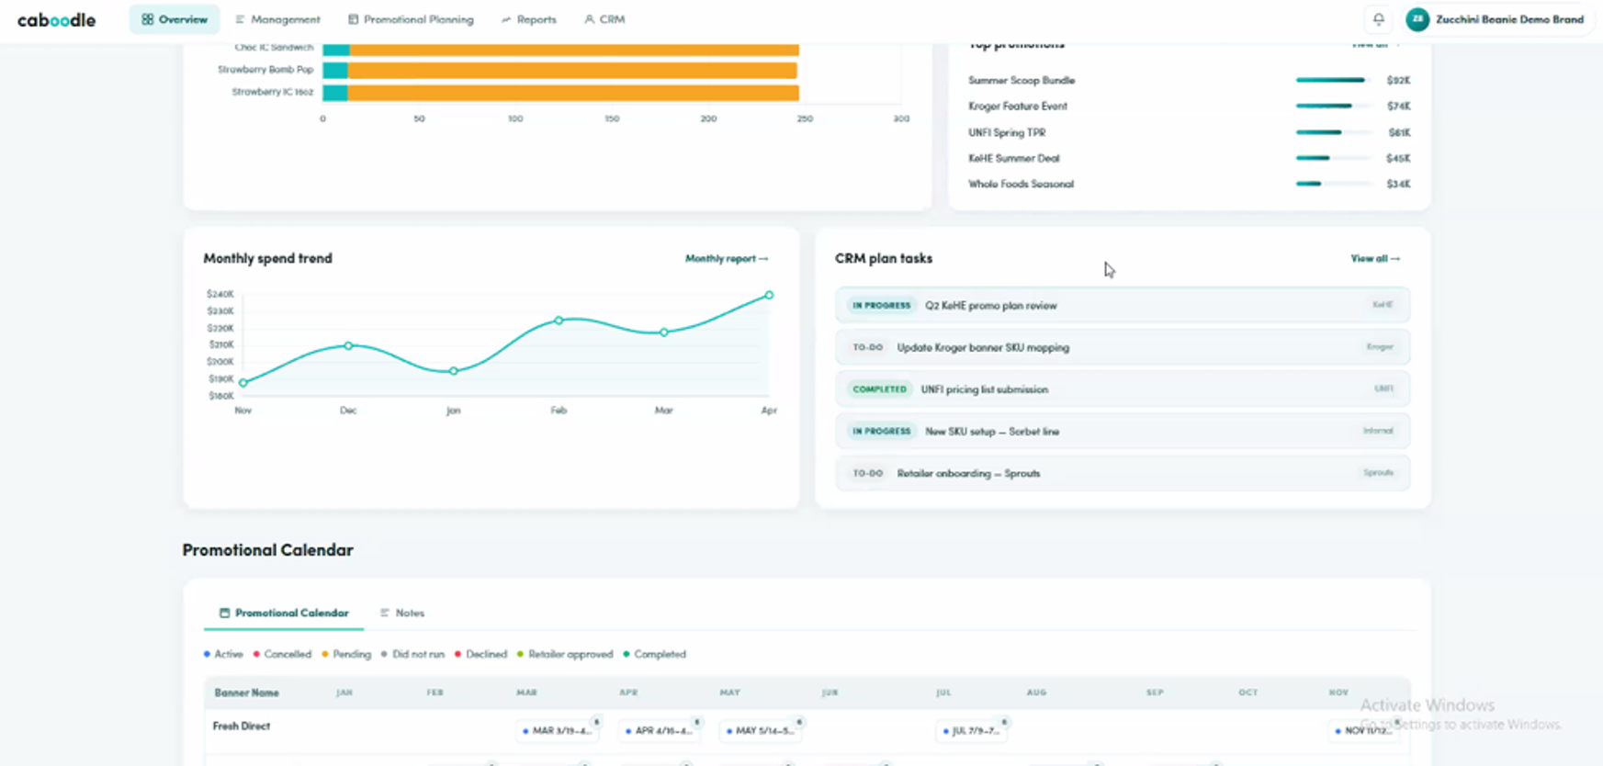
 |  | See mock up from Efti from Spring 2026 (Screenshot to the right) | Brand Dashboard
 |  | Flags alerting user of upcoming Task, promotional submission, category Review Deadlines
 |  | PIPELINE
Added Ticket 1425 |  | Allow User to Hide or Archive Plans | Pipeline
 |  | Label The Plans Project | Pipeline
 |  | Allow User to Hide Complete Tasks (Check Box) | Pipeline
 |  | Allow User to enter Due Date | Pipeline
 |  | Create Calendar View for Deadlines | Pipeline
BMP1 | NEW 7/20 | Allow User to assign to Users (It adds email but not assignments) | Pipelione
BMP2 |  | Option to not send email for every update (currently everytime there is an update it sends an email to everyone, even if it's just an edit. For example if users simply corrects a spelling and hits save, it sends an email to everyone assigned to the task. When the other users get the email, it's not clear why they are getting an update, it appears nothing has changed. | Pipeline
 |  | RETAIL REPORT
 |  | Display Dashboard Summary see this link https://lovable.dev/projects/8385ee0b-effd-4a8f-8cb9-27477a3fccfc | Retailers
 |  | TSS
BMTSS1 | NEW 7/20 | Remove or Modify Approved Promotions
BMTSS2 |  | Currently there is no option to remove a promotion from Approved Promotions, once it’s approved. The current work around is to delete the promotion that was Approved from the Sandbox. The SOP is to create a copy of the Approved Promotion in the Sandbox and add this to the name of the Promotion "Original Version” Date, User Initial’. Then the original version is deleted. Modifying Approved Promotions If the User wants to make any changes to the Approved Promotion, the user creates a copy of the Original Version, then edits the name to reflect “Revised, Date, Users Initials” Then modifications to the this version of the Sandbox are made, then pushed to Approved. This is to preserve all versions of the promotion if changes are made.
BMTSS3 | New 7/29 | EDLP in Stepper needs some clarification. Currently a user can enter an EDLP in the stepper. They can also add it in the Trade Spend Results page in the Edit promo details section. We need to clarify when it should be used in the stepper and when it should be used in the edit promo details. NOTE: it may depend on if the user is trying to enter both an EDLP and temporary price reductions...vs. just an EDLP | TSS
 |  | Question: Promotional Year: User Needs Clarification for if it's important to set the year in the TSS before starting a promotion. For example it's 2026 now but I want to build a promotion for 2027, Does the user need to change the year on the main page or can they start in the year of 2026 and ener 2027 dates when they build the promotion? See Screen shots to the right
BMTSS4 |  | Actualize Promotions: What is best method to actualize promotions? Currently we advise users to make a copy of the original promotion and enter the actuals from an external data sourse. However the Data source is in the system, so is there a way to automate this process? We should also have some reports aroud plan to actual | TSS
BMTSS5 | 2026-07-29 | EDIT PROMO DETAILS User needs a little more space at the bottom of Promo event details if only 1 row is showing. See Screenshot to the right | TSS
BMTSS6 |  | EDLP is showing up in the Promotional Calendar only in the month of Jan. It should be across all months. It's working correctly in Broker Promotional Management. It might be because it's still pulling from the TSS not Approved? Same is happening in the Monthly Report | TSS/Promo Calendar
 | NEW 7/20 | PRODUCT SPEC
BMTPS1 |  | Add Product UPC to Pricing Module | Product Specs
 |  | RETAILER CRM
BMTRC1 |  | Add store level listing from Banner Page. It could be a link to a new page within Caboodle. See the STORE REPORT MGMT Tab | CRM

 |  | Important findings before writing — data/jira-tickets shows strong overlap:
 |  | BMTSS3 (EDLP stepper vs edit details) → directly matches CS-1302 ("determine if this should be added in the Promo Results Page … or Step 4 Metrics in the stepper").
 |  | BMTSS4 (Actualize) → there's already a working file CS-NEW-brand-tss-actualize-promotions.md in tickets/trade-spend/, plus Jira CS-1280 (Actuals Auto Updated from Distributor Reports), CS-1283, CS-1335.
 |  | BMTSS6 (EDLP only in Jan) → exact match with Jira CS-1436 ("EDLP Promotional Reporting only Populating the Month of January … works in Broker Promotional Management … same in Monthly Report").
 |  | BMTSS1/BMTSS2 (remove/modify approved) → related to CS-1122 (copy-to-approved SOP, cancelled-event indication), CS-1208 (can't rename in BAP), CS-1183 (TSS↔BAP inconsistency), CS-1160.
 |  | BMTSS5 (promo details spacing) → context cluster CS-1188/CS-1239/CS-827 (Edit Promo Event Details).

STORE REPORT MGMT
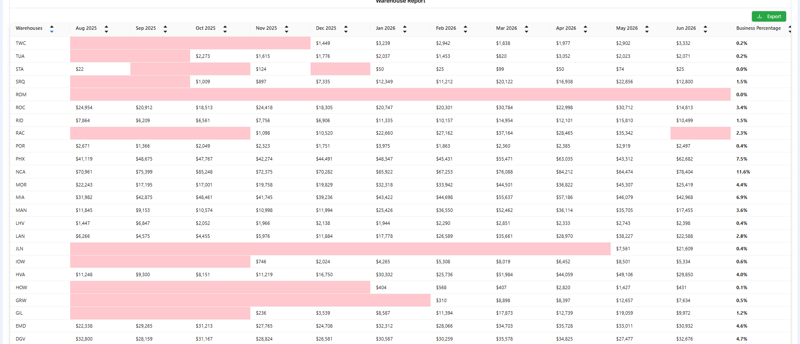
Concept: Many Brands have a direct to store program for smaller stores. They need a way to keep track of orders and communications.
Proposed Caboodle Solution: Upload brand Store list into a separate Distributor report but very similar to the current one. Call it "House Accounts" (NOTE: I've been wanting to utilize the old UNFI & KeHE reports for agnotic reporting anyway so this may be a good solution)

See Distributor Reports> Sales Details where store names, addresses and order details are provided via uplaod
The void report could be converted to stores instead of warehouses so user can viscualize gaps in orders
Install a email automation & Trigger API that allows users to build trigger logic for emails. For example 30-day inactivity…or lifecycle automation
Need to think about email templates, I don't know that we want to get into template builders but maybe we utilize claude design? Or they could simply copy & paste a design into an editor?

These 2 charts are for inspiration > It outlines how we already ingest and report very similar data
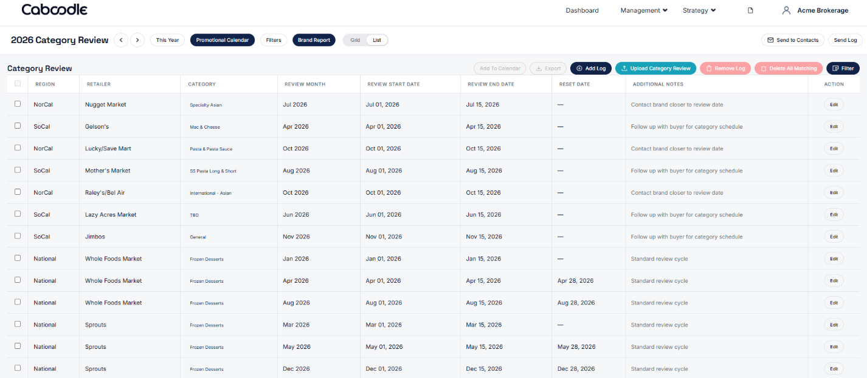

SRM1

